Note 2.5
2. | GROUP COMPOSITION
2.5 | Interest in subsidiaries, associates and joint ventures
 | Blue Label Telecoms Limited conducts its operations through various wholly owned subsidiaries, associates and joint ventures, the principal activities of the Group are conducted through the following significant entities to the Group:

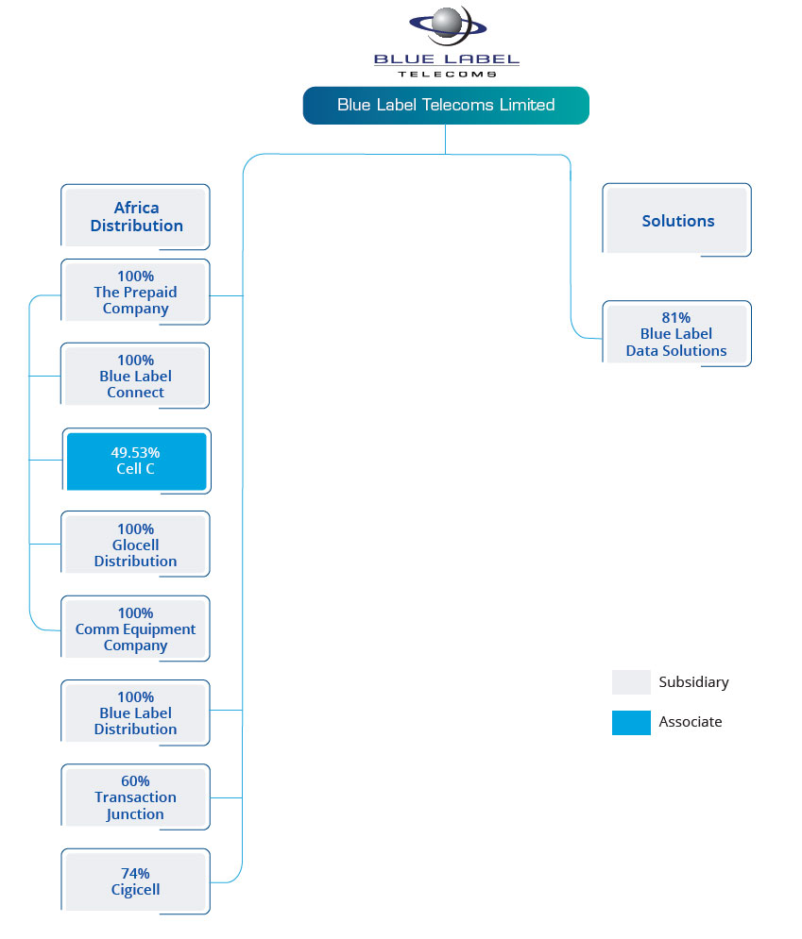

 | A full list of the subsidiaries, associates and joint ventures to the Group is available, upon request, at the registered offices of the Group.

